Sheet1
TAX Calculator - Disclimer | This calculator is for educational purposes, Site owner will not be responsible for it accuracy. User should take advise from a qualified tax expert before relying on the results of this calcualtor. The calcualtor does not include tax groups, government entites subject ot ax, treaty relief, restructuring relif etcetra. |  |  | free zone non qulifying income
 |  |  | Related party rules | property income

Discliamer
Basic Info | Name
 | Email
 | Mobile
 | Company

Accounting Period |  |  | (out put Tax year) | A
Is your annual turnover below AED 3,000,000 |  | Yes | (Please apply for SME relief)
 |  | NO | Move forward

What is the entity residential status | Resident | Move forward | Income from inside an dout side UAE
 | Non Resident | Do you have a Permanat Establishment or nexus In UAE
 |  | Yes | Your income is subject to 0% WHT
 |  | No | Move forward fo rincome from UAE PE

 | Individual | Is your revenue greater than AED 1M | Yes= Move forward
 |  | Have you elected for tax in UAE | No= Your are not liable to tax
 |  |  | Yes= Move forward

 |  |  | No
Entity Legal Status | Resident PE | Move Forward
 | Foreign PE | Has the election been made to exempt foreign income | Yes= do not include it in Computation of UAE tax N0= Move forward and compute th eincome normally
 | Unincorporated Partner Ship | Yes | Entr your percentage of ownership Input P
 | Incorporated partner Ship | Move Forward
 | Other Judicial Person except Free zone
 | Freezone | Move to Free Zone
 | Private Fund | Is the fund under regulatory oversight and have plan assets or fund sets
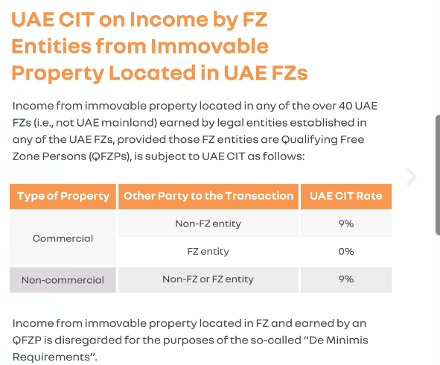
 |  | YES | Exempt
 |  | No | Input fund net income | "=Accounitng income-E

Property in UAE | Is it commercial Property | Yes
 |  | No= No impact

Free Zone | Are you involved in any of the below activities | Transaction with natural persons except qualifying activities | No to all= move forward, Yes= full income to be taxed
 |  | Banking, Insurance, Finance, Leasing | No to all= move forward, Yes= full income to be taxed
 |  | Ownership or exploitation of UAE immovable property, other than Commercial Property located in a Free Zone provided such activity in relation to Immovable Property located in a Free Zone is conducted with other Free Zone Persons; | No to all= move forward, Yes= full income to be taxed
 |  | Ownership or exploitation of intellectual property assets; and | No to all= move forward, Yes= full income to be taxed
 |  | Activities that are ancillary (which serve no independent function) to the above activities. | No to all= move forward, Yes= full income to be taxed

 | Income derived for sale to other free zone | Input all income | Qualifying income | =F
 | Income derived from NON free zone persons (foreign and domestic) for qualifying activities | Input qualifying income | Qualifying income | =F
 | Income above deminins liit | Input non qualifying income | If non qualifying income is below AED 5M or 5% of revenue | Yes= Qualifying Income=F
 |  |  |  | No= Non qualifying Income

 | Input Income from | Mnaufacturing | amount input | Qualifying income=F | Assumed genral tax rate election not done
 |  | Pricessing of goods material | amount input | Qualifying income=F | Assumed genral tax rate election not done
 |  | Holding of Shares and other securities | amount input | Qualifying income=F | Assumed genral tax rate election not done
 |  | Ownership, management of ships | amount input | Qualifying income=F | Assumed genral tax rate election not done
 |  | Reinsurance Service subject ot regualtory oversight of relevant authority | amount input | Qualifying income=F | Assumed genral tax rate election not done
 |  | Fund managementservice subject to regualtory oversight | amount input | Qualifying income=F | Assumed genral tax rate election not done
 |  | Wealth and investment managemet service subject ot regulatory authority oversight | amount input | Qualifying income=F | Assumed genral tax rate election not done
 |  | HQ services | amount input | Qualifying income=F | Assumed genral tax rate election not done
 |  | Treasury and financing services | amount input | Qualifying income=F | Assumed genral tax rate election not done
 |  | Financing and leasing aircraft | amount input | Qualifying income=F | Assumed genral tax rate election not done
 |  | Logistic servoces | amount input | Qualifying income=F | Assumed genral tax rate election not done
 |  | Any ancillary services to above | amount input | Qualifying income=F | Assumed genral tax rate election not done

Inputs
 | Income | Input D
 | Cost Of Income
 | Expenses
 | Accounting Income | Input E
 | Amount of reliasation gains included above | Input G
 | Amount included above not wholy related to business | Input H
 | Any income or captal gains already taxed in UAE or foreign | Input J
 | Any domestic dividend included in total incom | Input H
 | Any foreign dividends or participating income included in accounting income | Conditions met No =Input J, Yes= Exempt | Dividend if holding 5% or more, the tax rate shpul dbe 9% or more in that country
 | Did you elect for realisation basis of accounting | Yes=C
 |  | No=move forward
 | Net Interest Expense Limitation | Suplus = K | Net Interest expense limited to greater of 30% of EBITDA and 12M
 | Depriciation and Amortisation | Input L
 | Entertainment Expenditure | Input M
 | Expense not wholly or fully for businees | Input N | Only enter the non business portion
 | Transfer Pricing, related parties and connected parties Adjustment | Input O | Purchase or sale from related parties below or over market price

Out Put
Your Tax year is | A
Your first Tax return is due on | A+9 months
You must register by | A= before start date

Tax Libility
Total Accounting Income | xxx | E

Adjustments
Add back unrelaised gains | Add back G if C= True | C= Relasation election done
Add back not wholly expenses for business | Add back H
Exempt capital gains or foreign income | Add Back J
Domestic dividends | Add Bak H
Add back surplus interest expense | K=E+L+K Add back greater of L-{(30% of K) OR 12M} | K=greater of 30% of E or 12 Million
Entertainment Expenditure | Input L* 50%
Not wholy or fully Business expense | Input N
Transfer pricing adjustment | Input O

Adjusted Profit | Sum of above | Input M | If M>3MAND <5 M= You can Use IFRS for SME If M >5M you need to keep books in full IFRS and get them audited annually
unincorporated Partnership | Your share x P%

Less cary forward tax loss | Amount not more than 75% of taxable income
Taxable Income

First 375000 or Freezone Qualifying income | -375000 | F
9% Tax | remining income*9%
Tax liability | remining income*9%
Tax credit Foreign Income
Carry Forward Lossed

Other Information
Elections You can make (No approval required from FTA)
1. Benefit from small business relief if your annual turnover is below AED 3,000,000 in current year and previous years
2.Exempt Foreign permanat establishmnet Income
3. Account fo rgain and losses on realisation basis
4. Be subject to Corporate tax if you are a Qualifying Free Zone person
5. Apply relief in relation to transfer of qualifying assets
6. Apply busines restructuring relief
7. Apply transitionla relief

Applications you can make after informing FTA
1. To be exempt from Corporate Tax, if the Person is a public pension fund or a public social security fund, a private pension fund or a private social security fund that meet the relevant conditions, or a Qualifying Investment Fund
2. To be exempt from Corporate Tax, if they are a juridical person that is wholly owned and controlled by certain types of Exempt Persons387 and meet the relevant condition (e.g. used exclusively for holding assets or investing funds for the benefit of the Exempt Person)
3. To continue to be exempt from Corporate Tax if the Person temporarily fails to meet the conditions of exemption;
4. To treat a Government Entity’s taxable Businesses as a single Taxable Person;
5. To treat an Unincorporated Partnership as a single Taxable Person
6. To treat a Family Foundation as an Unincorporated Partnership
7. To request a clarification from the FTA
8. To request a refund from the FTA
9. To adjust Taxable Income following an adjustment by a foreign tax authority
10. To move from the Cash Basis of Accounting to Accrual Basis of Accounting;
11. To form, join or leave a Tax Group, replace a Parent Company in a Tax Group, or cease to be a Tax Group
12. To deregister for Corporate Tax
13. To change their Tax Period

